Script
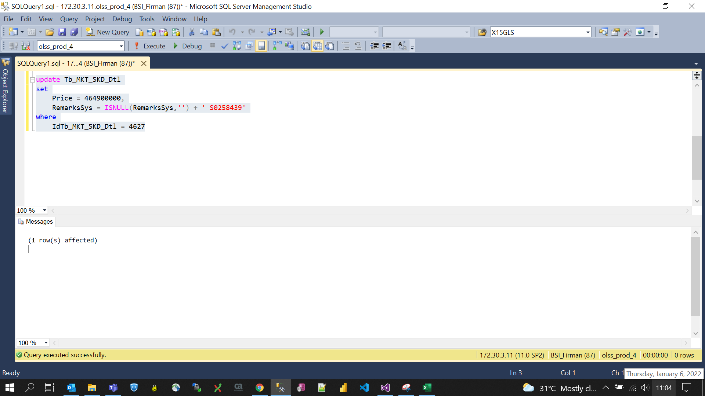
update Tb_MKT_SKD_Dtl
set
 | Price = 464900000,
 | RemarksSys = ISNULL(RemarksSys,'') + ' S0258439'
where
 | IdTb_MKT_SKD_Dtl = 4627

Screenshot
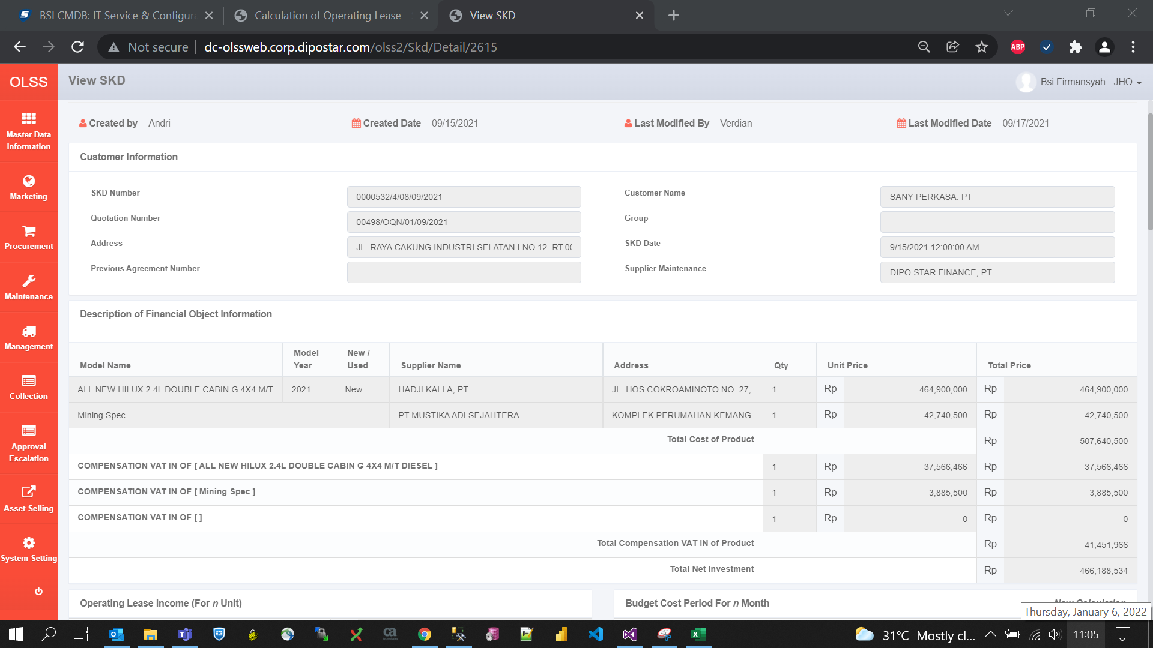
BEFORE
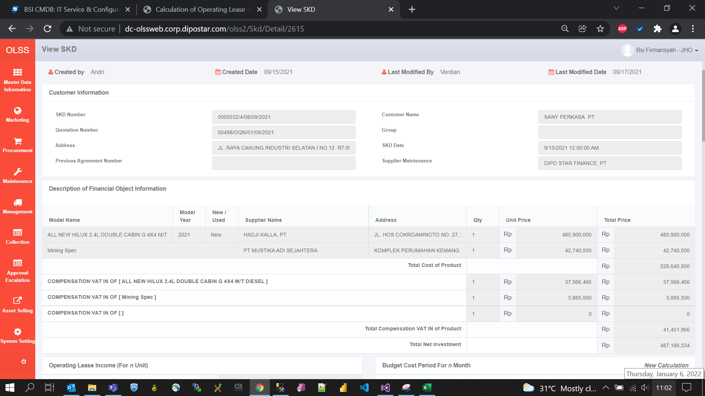

AFTER

